Site name
SITE: | BORLÄNGE (BLE)
Address: | Bygatan 35, 784 34 Borlänge | Category C
Floor -1 to 2 (ground floor = 0)

VIDEO:
belongsto | product | Wired | Old IP | Notes | Port
SE.CONF.BLE.Bergebo | Cisco Room Navigator | 50:00:E0:F2:09:FD | 10.200.35.89 | LAN | SW2-16
SE.CONF.BLE.Grövelsjön | Cisco Room Navigator | 50:00:E0:F3:77:FB | 10.200.34.159 | LAN | SW1-17
SE.CONF.BLE.MOBILE1 | Cisco Board 55 | 40:CE:24:5E:B9:D5 | 10.200.35.90 | LAN | SW1-13
SE.CONF.BLE.Siljan | Cisco Room Kit EQ | 20:DB:EA:AF:F9:4E | 10.200.35.87 | LAN | SW2-13
SE.CONF.BLE.Sörskog | Cisco Room Navigator | A0:33:4F:30:45:FC | 10.200.35.97 | LAN | SW2-17
SE.CONF.BLE.Vintjärn | Cisco Room Navigator | A0:33:4F:2F:55:FA | 10.200.35.96 | LAN | SW2-19
SE.CONF.BLE.Mörthsjön | Cisco Room Bar Pro | 80:61:32:D0:69:F3 |  | LAN | SW1-14 | Mörthsjön (14P) (V)
SE.CONF.BLE.Varpan | Cisco Room Bar Pro | 60:A9:54:86:78:B7 |  | LAN | SW2-14 | Varpan (12P) (V)
SE.CONF.BLE.Toftan | Cisco Board Pro 75 G2 | 8C:44:A5:87:76:85 |  | LAN | SW1-15 | Toftan (14P) (V)
SE.CONF.BLE.Runn | Cisco Room Bar Pro | EC:A7:8D:54:3D:37 |  | LAN | SW2-15 | Runn (22P) (V)
SE.CONF.BLE.Hosjon | Cisco Room Bar Pro | EC:A7:8D:69:83:78 |  | LAN | SW1-16 | Hosjön (14P)
SE.CONF.BLE.Toftan | Cisco Room Navigator | 7c:87:67:41:b5:fc |  | LAN | SW1-19 | Touchpanel Toftan
SE.CONF.BLE.Mörthsjön | Cisco Room Navigator | 60:A9:54:89:AC:A8 |  | LAN | SW2-21 | Ersätter flowscape

PRINT | RITMATEA0289596
Function | product | mac | serial | New IP | Old IP | Host name | Notes | Port
MFP legacy | HP Color LaserJet Flow MFP M880 | B0:5A:DA:C3:5D:DA | CNDVHCL05J | N/A | 10.200.34.35 | se-prn-ble-f3-01
MFP new | E786dn | 24:6A:0E:94:CA:DB | CZBBV390BV | 10.166.214.2 | N/A | Se above |  | SW1-37 | RITMATEA0319255
Department printer | Kyocera ECOSYS M5526cdw | 00:17:C8:DA:E9:7C | VE92509133 | 10.167.75.2 |  |  | IOT network | SW2-37 | RITMATEA0319255

NETWORK
Position on map* | product | mac | serial | New name / label on device | Notes | Port
Legacy | Cisco 3750 24portar
Legacy | Cisco 2960X 24port
Legacy | Cisco 2960x 48port
Legacy | AIR-AP3702I-UXK9 | 3
Legacy | Unknown model | 9
Legacy | AIR-CAP2602I-E-K9 | 1
N/A | Telia Internet router | DHCP config on 0/1/1 |  |  | 194.16.194.254
N/A | C1161 | bc:ab:f5:f6:b3:80 | FVT3011L663 | NTNI-SDR-001-SEBLE-F-01 | Floor -1
N/A | C9300X-48HXN | 60:a9:54:55:53:80 | FVH2947LBGJ | ntni-acc-001-SEBLE-F-01 | Floor -1 |  |  | 1
N/A | C9300X-48HXN | missing | FVH3009L5MY | ntni-acc-002-SEBLE-F-01 | Stacked
1 | CW9166I-E | 78:0F:81:0d:32:10 | KWC293600XC | ntni-wap-001-SEBLE-F00 | Floor 0 | SW1-38
2 | CW9166I-E | 78:0F:81:0d:2f:b0 | KWC293600W8 | ntni-wap-002-SEBLE-F00 | Floor 0 | SW2-38
3 | CW9166I-E | 78:0F:81:0d:2f:30 | KWC293600W0 | ntni-wap-003-SEBLE-F00 | Floor 0 | SW1-39
4 | CW9166I-E | 78:0F:81:0d:2f:60 | KWC293600W3 | ntni-wap-004-SEBLE-F00 | Floor 0 | SW2-39
5 | CW9166I-E | 78:0F:81:0d:36:20 | KWC293600Z9 | ntni-wap-005-SEBLE-F01 | Floor 1 | SW1-40
6 | CW9166I-E | 78:0F:81:0d:2f:a0 | KWC293600W7 | ntni-wap-006-SEBLE-F01 | Floor 1 | SW2-40
7 | CW9166I-E | 78:0F:81:0d:29:e0 | KWC293600TH | ntni-wap-007-SEBLE-F01 | Floor 1 | SW1-41
8 | CW9166I-E | 78:0F:81:0d:38:b0 | KWC2936010G | ntni-wap-008-SEBLE-F01 | Floor 1 | SW2-41
9 | CW9166I-E | 78:0F:81:0d:35:e0 | KWC293600Z5 | ntni-wap-009-SEBLE-F01 | Floor 1 | SW1-42
10 | CW9166I-E | 78:0F:81:0d:2e:a0 | KWC293600VR | ntni-wap-010-SEBLE-F01 | Floor 1 | SW2-42
11 | CW9166I-E | 78:0F:81:0d:30:30 | KWC293600WG | ntni-wap-011-SEBLE-F02 | Floor 2 | SW1-43
* use the map below to add positions

Function | product | mac | serial | New IP | Port | Notes | Port config
Internet | Flowscape Panels | 00:20:98:04:a5:e2 |  |  | SW1-20 | Barken | Need to be hard coded at the port
Internet | Flowscape Panels | 00:20:98:04:ad:d5 |  |  | SW2-20 | Gimmen | Need to be hard coded at the port
Internet | Flowscape Panels | 00:20:98:04:a6:b7 |  |  | SW1-21 | Långsjön | Need to be hard coded at the port
Internet | Flowscape Panels | 00:20:98:04:9f:8d |  |  | SW1-22 | Runn | Need to be hard coded at the port
Internet | Flowscape Panels | 00:20:98:04:ac:b0 |  |  | SW2-22 | Siljan | Need to be hard coded at the port
Internet | Flowscape Panels | 00:20:98:04:7a:f3 |  |  | SW1-23 | Toftan | Need to be hard coded at the port
Internet | Flowscape Panels | 00:20:98:04:a6:6c |  |  | SW2-23 | Varpan | Need to be hard coded at the port
Internet | Flowscape Panels | 00:20:98:04:a6:91 |  |  | SW1-24 | Hosjön | Need to be hard coded at the port
Internet | Flowscape Panels | 24:9a:d8:58:2c:a2 |  |  | SW2-24 | Dalmasen | Need to be hard coded at the port
Internet | Flowscape Panels | 24:9a:d8:58:2c:8e |  |  | SW1-25 | Dalkullan | Need to be hard coded at the port
Internet | Flowscape Panels | 24:9a:d8:58:2a:8a |  |  | SW2-25 | Dalahästen | Need to be hard coded at the port
IOT | Flowscape GW
IOT | Alarm | b8:a4:4f:c3:c0:85 |  | 10.167.75.3 | SW2-48 | batteribackup med PoE matning till passagesystemet Mac Address Type Ports ----------- -------- ----- 0017.55e7.0a4e DYNAMIC Gi1/0/5 641c.10e1.9b9c DYNAMIC Gi1/0/5 b8a4.4fb6.ff53 DYNAMIC Gi1/0/5 b8a4.4fbd.72c0 DYNAMIC Gi1/0/5 b8a4.4fc3.c085 DYNAMIC Gi1/0/5 b8a4.4fc4.de24 DYNAMIC Gi1/0/5 f0d7.6703.ab77 DYNAMIC Gi1/0/5 f0d7.6703.ac46 DYNAMIC Gi1/0/5 f0d7.6703.ac47 DYNAMIC Gi1/0/5 f0d7.6703.ac48 DYNAMIC Gi1/0/5 CDP neighbor ax-b8a44fc3c085 Gig 1/0/5 104 S H Linux eth1.3 | RITMATEA0319255 | f0d7.6703.ac46 Inre entré f0d7.6703.ac47 Yttre entré f0d7.6703.ac48 källare f0d7.6703.ab77 serverrum f0d7.6703.bd1f glasdörr f0d7.6703.bd14 kontorsdörr | bd1f
 | Passage - Inre entré | f0d7.6703.ac46 |  | 10.167.75.4 | SW2 - 45
 | Passage - Yttre entré | f0d7.6703.ac47 |  | 10.167.75.5 | SW1 - 46
 | Passage - källare | f0d7.6703.ac48 |  | 10.167.75.6 | SW2 - 46
 | Passage - Serverrum | f0d7.6703.ab77 |  | 10.167.75.7 | SW1 - 47
 | Passage - glasdörr | f0d7.6703.bd1f |  | 10.167.75.8 | SW2 - 47
 | Passage - kontorsdörr | f0d7.6703.bd14 |  | 10.167.75.9 | SW1 - 48
IOT | CCTV | See above |  |  |  | PoE switch till kameror och larm
Internet | Staging place - 4 port |  |  |  | 11-12 in both SW | Certification place - 1 port in room 304 (Dalmasen)- 2 x Garantiservice
Internet | INFO screen Internal | b8:a0:b8:52:94:bd |  |  | SW1-18
Internet | INFO screen External | b8:a0:b8:52:94:bf |  |  | SW2-18
IOT | Ventilation
Internet | Payment equipment
Corporate network WIFI | Visiting system | E4:43:89:7B:2A:AC |  |  | x | East Coast panel - Wifi

MAP |  | Checklist: |  |  |  | Estimated order:
 |  | Radio survey |  | complete |  | 1 x Print
 |  | AV rooms, order review |  | N/A |  | 1 x 1161
 |  | Print, replacement order |  | complete |  | 2 x 9300 | 7118, 5113, 5103
 |  | Network, replacement order |  | complete |  | 11 x 9176
 |  | CAT5 replacement |  | complete
 |  | Parallell mounting in network rack |  | Possible
 |  | Single mode fiber |  | SC
 |  | Reserve IP for Print |  | complete
 |  | Reserve IP for security |  | complete
 |  | Test persons at site |  | complete

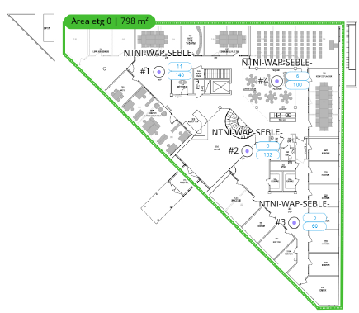
Floor 0:
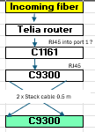

FLOOR 1:
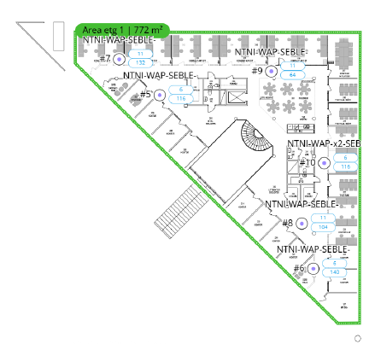

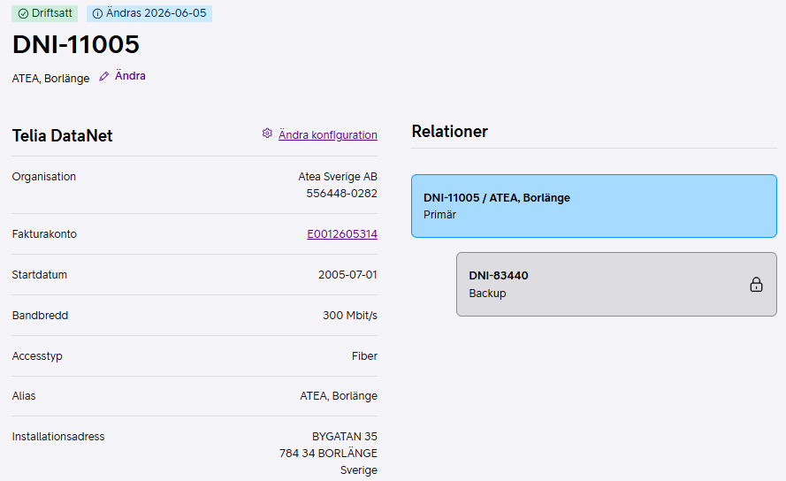

Floor 2: Only one room, no map

Port move
Old SW 1# | New SwW1# | New SW 2# | Patch DA01 (old lab. AA01) | right devie/right port | Something missmatch
2 |  | 18 | DA01.71:22 | External | INFO screen | b8:a0:b8:52:94:bf
6 | 38 |  | DA01.71:11 | ntni-wap-001-SEBLE | KWC293600XC | 78:0F:81:0d:32:10 | Floor 0 | 780f.810d.3210 | STATIC | Fi1/0/38 |  |  |  |  | POLARIS |  | LEGACY
7 |  | 39 | DA01.71:8 | ntni-wap-004-SEBLE | KWC293600W3 | 78:0F:81:0d:2f:60 | Floor 0 | 780f.810d.2f60 | STATIC | Fi2/0/39 |  |  |  |  | New port SW1 | New port SW2 | Legacy port SW1 | Legacy port SW2
8 | 39 |  | DA01.71:9 | ntni-wap-003-SEBLE | KWC293600W0 | 78:0F:81:0d:2f:30 | Floor 0 | 780f.810d.2f30 | STATIC | Fi1/0/39 |  | SE.CONF.BLE.MOBILE1 | Cisco Board 55 | 40:CE:24:5E:B9:D5 | 13 |  | 41
9 |  | 38 | DA01.71:13 | ntni-wap-002-SEBLE | KWC293600W8 | 78:0F:81:0d:2f:b0 | Floor 0 | 780f.810d.2fb0 | STATIC | Fi2/0/38 |  | SE.CONF.BLE.Siljan | Cisco Room Kit EQ | 20:DB:EA:AF:F9:4E |  | 13 | 30
10 | 40 |  | DA01.71:3 | ntni-wap-005-SEBLE | KWC293600Z9 | 78:0F:81:0d:36:20 | Floor 1 | 780f.810d.3620 | STATIC | Fi1/0/40 |  | SE.CONF.BLE.Mörthsjön | Cisco Room Bar Pro | 80:61:32:D0:69:F3 | 14 |  | 20
11 |  | 42 | DA01.101:13 | ntni-wap-010-SEBLE | KWC293600VR | 78:0F:81:0d:2e:a0 | Floor 1 | 780f.810d.2ea0 | STATIC | Te2/0/42 |  | SE.CONF.BLE.Varpan | Cisco Room Bar Pro | 60:A9:54:86:78:B7 |  | 14 | 21
12 | 42 |  | DA01.71.1 | ntni-wap-009-SEBLE | KWC293600Z5 | 78:0F:81:0d:35:e0 | Floor 1 | 780f.810d.35e0 | STATIC | Te1/0/42 |  | SE.CONF.BLE.Toftan | Cisco Board Pro 75 G2 | 8C:44:A5:87:76:85 | 15 |  | 26
13 |  | 41 | DA01.71:6 | ntni-wap-008-SEBLE | KWC2936010G | 78:0F:81:0d:38:b0 | Floor 1 | 780f.810d.38b0 | STATIC | Te2/0/41 |  | SE.CONF.BLE.Runn | Cisco Room Bar Pro | EC:A7:8D:54:3D:37 |  | 15 | 24
14 |  | 24 | DA01.41:13 | Dalmasen | Flowscape Panels | 24:9a:d8:58:2c:a2 |  | 249a.d858.2ca2 | DYNAMIC | Fi2/0/24 |  | SE.CONF.BLE.Hosjon | Cisco Room Bar Pro | EC:A7:8D:69:83:78 | 16 |  |  | 3
16 | 37 |  | DA01.101:15 | MFP new | E786dn | 24:6A:0E:94:CA:DB |  | 246a.0e94.cadb | STATIC | Fi1/0/37 |  | SE.CONF.BLE.Bergebo | Cisco Room Navigator | 50:00:E0:F2:09:FD |  | 16 | 35
18 (47) | 25 |  | DA01.41:14 | Dalkullan | Flowscape Panels | 24:9a:d8:58:2c:8e |  | 249a.d858.2a8a | STATIC | Fi1/0/25 | löst | SE.CONF.BLE.Grövelsjön | Cisco Room Navigator | 50:00:E0:F3:77:FB | 17 |  |  | 8
20 | 14 |  | DA01.81:20 | SE.CONF.BLE.Mörthsjön | Cisco Room Bar Pro | 80:61:32:D0:69:F3 |  | 8061.32d0.69f3 | STATIC | Fi1/0/14 |  | SE.CONF.BLE.Sörskog | Cisco Room Navigator | A0:33:4F:30:45:FC |  | 17 | 46
21 |  | 14 | DA01.81:15 | SE.CONF.BLE.Varpan | Cisco Room Bar Pro | 60:A9:54:86:78:B7 |  | 60a9.5486.78b7 | STATIC | Fi2/0/14 |  | Internal | INFO screen | b8:a0:b8:52:94:bd | 18 |  | 22
22 | 18 |  | DA01.71:2 | Internal | INFO screen | b8:a0:b8:52:94:bd |  | b8a0.b852.94bd | STATIC | Fi1/0/18 |  | External | INFO screen | b8:a0:b8:52:94:bf |  | 18 | 2
24 |  | 15 | DA01.81:23 | SE.CONF.BLE.Runn | Cisco Room Bar Pro | EC:A7:8D:54:3D:37 |  |  |  |  |  | SE.CONF.BLE.Toftan | Cisco Room Navigator | 7c:87:67:41:b5:fc | 19 |  | 25
25 | 19 |  | DA01.81:14 | SE.CONF.BLE.Toftan | Cisco Room Navigator | 7c:87:67:41:b5:fc |  | 7c87.6741.b5fc | STATIC | Fi1/0/19 |  | SE.CONF.BLE.Vintjärn | Cisco Room Navigator | A0:33:4F:2F:55:FA |  | 19 |  | 12
26 | 15 |  | DA01.81:13 | SE.CONF.BLE.Toftan | Cisco Board Pro 75 G2 | 8C:44:A5:87:76:85 |  | 8c44.a587.7685 | STATIC | Fi1/0/15 |  | Barken | Flowscape Panels | 00:20:98:04:a5:e2 | 20 |  |  | 18
30 |  | 13 | DA01.91:9 | SE.CONF.BLE.Siljan | Cisco Room Kit EQ | 20:DB:EA:AF:F9:4E |  | 20db.eaaf.f94e | STATIC | Fi2/0/13 |  | Gimmen | Flowscape Panels | 00:20:98:04:ad:d5 |  | 20 |  | 14
34 |  | 25 | DA01.91:20 | Dalahästen | Flowscape Panels | 24:9a:d8:58:2a:8a |  |  |  |  |  | Långsjön | Flowscape Panels | 00:20:98:04:a6:b7 | 21 |  | 45
35 |  | 16 | DA01.41:17 | SE.CONF.BLE.Bergebo | Cisco Room Navigator | 50:00:E0:F2:09:FD |  | 5000.e0f2.09fd | STATIC | Fi2/0/16 |  | SE.CONF.BLE.Mörthsjön | Cisco Room Navigator | 60:A9:54:89:AC:A8 |  | 21 |  | 17
36 |  | 40 | DA01.101:17 | ntni-wap-006-SEBLE | KWC293600W7 | 78:0F:81:0d:2f:a0 | Floor 1 | 780f.810d.2fa0 | STATIC | Fi2/0/40 |  | Runn | Flowscape Panels | 00:20:98:04:9f:8d | 22 |  |  | 21
41 | 13 |  | DA01.51:19 | SE.CONF.BLE.MOBILE1 | Cisco Board 55 | 40:CE:24:5E:B9:D5 |  | 40ce.245e.b9d5 | STATIC | Fi1/0/13 |  | Siljan | Flowscape Panels | 00:20:98:04:ac:b0 |  | 22 |  | 20
43 |  | 37 | DA01.71:17 | Department printer | Kyocera ECOSYS M5526cdw | 00:17:C8:DA:E9:7C |  | 0017.c8da.e97c | STATIC | Fi2/0/37 |  | Toftan | Flowscape Panels | 00:20:98:04:7a:f3 | 23 |  |  | 19
45 | 21 |  | DA01.61:22 | Långsjön | Flowscape Panels | 00:20:98:04:a6:b7 |  | 0020.9804.a6b7 | DYNAMIC | Fi1/0/21 |  | Varpan | Flowscape Panels | 00:20:98:04:a6:6c |  | 23 |  | 16
46 |  | 17 | DA01.41:16 | SE.CONF.BLE.Sörskog | Cisco Room Navigator | A0:33:4F:30:45:FC |  | a033.4f30.45fc | STATIC | Fi2/0/17 |  | Hosjön | Flowscape Panels | 00:20:98:04:a6:91 | 24 |  |  | 13
 | 43 |  | AA01.41:2 | ntni-wap-011-SEBLE | KWC293600WG | 78:0F:81:0d:30:30 | Floor 2 | ingen MAC i lista/länk |  |  |  | Dalmasen | Flowscape Panels | 24:9a:d8:58:2c:a2 |  | 24 | 14
 | 11 |  | 7118 | Garanti staging 1 |  |  |  |  |  |  |  | Dalkullan | Flowscape Panels | 24:9a:d8:58:2c:8e | 25 |  | 18
 |  | 11 | 5113 | Garanti staging 2 |  |  |  |  |  |  |  | Dalahästen | Flowscape Panels | 24:9a:d8:58:2a:8a |  | 25 | 34
 | 12 |  | 5103 | Dalmasen staging
 |  |  |  |  |  |  |  |  |  |  |  | MFP new | E786dn | 24:6A:0E:94:CA:DB | 37 |  | 16
 |  |  |  |  |  |  |  |  |  |  |  | Department printer | Kyocera ECOSYS M5526cdw | 00:17:C8:DA:E9:7C |  | 37 | 43

 |  |  |  |  |  |  |  |  |  |  |  | AP#1 | C9166 | 78:0F:81:0d:32:10 | 38
 |  |  |  |  |  |  |  |  |  |  |  | AP#2 | C9166 | 78:0F:81:0d:2f:b0 |  | 38
Old SW 2# |  |  |  |  |  |  |  |  |  |  |  | AP#3 | C9166 | 78:0F:81:0d:2f:30 | 39
3 | 16 |  | 101:8 | SE.CONF.BLE.Hosjon | Cisco Room Bar Pro | EC:A7:8D:69:83:78 |  | eca7.8d69.8378 | STATIC | Fi1/0/16 |  | AP#4 | C9166 | 78:0F:81:0d:2f:60 |  | 39
5 |  | 48 | 101:21 | Alarm/passage |  |  |  | Multiple |  |  |  | AP#5 | C9166 | 78:0F:81:0d:36:20 | 40
6 | 41 |  | DA01.91:12 | ntni-wap-007-SEBLE | KWC293600TH | 78:0F:81:0d:29:e0 |  | 780f.810d.29e0 | STATIC | Te1/0/41 |  | AP#6 | C9166 | 78:0F:81:0d:2f:a0 |  | 40
8 | 17 |  | 41:19 | SE.CONF.BLE.Grövelsjön | Cisco Room Navigator | 50:00:E0:F3:77:FB |  | 5000.e0f3.77fb | STATIC | Fi1/0/17 |  | AP#7 | C9166 | 78:0F:81:0d:29:e0 | 41
12 |  | 19 | 41:18 | SE.CONF.BLE.Vintjärn | Cisco Room Navigator | A0:33:4F:2F:55:FA |  | a033.4f2f.55fa | STATIC | Fi2/0/19 |  | AP#8 | C9166 | 78:0F:81:0d:38:b0 |  | 41
13 | 24 |  | 71:4 | Hosjön | Flowscape Panels | 00:20:98:04:a6:91 |  | 0020.9804.a691 | DYNAMIC | Fi1/0/24 |  | AP#9 | C9166 | 78:0F:81:0d:35:e0 | 42
14 |  | 20 | 91:7 | Gimmen | Flowscape Panels | 00:20:98:04:ad:d5 |  | 0020.9804.add5 | DYNAMIC | Fi2/0/20 |  | AP#10 | C9166 | 78:0F:81:0d:2e:a0 |  | 42
16 |  | 23 | 91:5 | Varpan | Flowscape Panels | 00:20:98:04:a6:6c |  | 0020.9804.a66c | DYNAMIC | Fi2/0/23 |  | AP#11 | C9166 | 78:0F:81:0d:30:30 | 43
17 |  | 21 | 91:3 | SE.CONF.BLE.Mörthsjön | Cisco Room Navigator | 60:A9:54:89:AC:A8 |  | 60a9.5489.aca8 | DYNAMIC | Fi2/0/21
18 | 20 |  | 91:4 | Barken | Flowscape Panels | 00:20:98:04:a5:e2 |  | 0020.9804.a5e2 | DYNAMIC | Fi1/0/20
19 | 23 |  | 91:6 | Toftan | Flowscape Panels | 00:20:98:04:7a:f3 |  | 0020.9804.7af3 | DYNAMIC | Fi1/0/23 |  | 1 | CW9166I-E | 78:0F:81:0d:32:10 | KWC293600XC | ntni-wap-001-SEBLE | Floor 0 | SW1-38
20 |  | 22 | 91:2 | Siljan | Flowscape Panels | 00:20:98:04:ac:b0 |  | 0020.9804.acb0 | DYNAMIC | Fi2/0/22 |  | 3 | CW9166I-E | 78:0F:81:0d:2f:30 | KWC293600W0 | ntni-wap-003-SEBLE | Floor 0 | SW1-39
21 | 22 |  | 91:1 | Runn | Flowscape Panels | 00:20:98:04:9f:8d |  | 0020.9804.9f8d | DYNAMIC | Fi1/0/22 |  | 5 | CW9166I-E | 78:0F:81:0d:36:20 | KWC293600Z9 | ntni-wap-005-SEBLE | Floor 1 | SW1-40
 |  |  |  |  |  |  |  |  |  |  |  | 7 | CW9166I-E | 78:0F:81:0d:29:e0 | KWC293600TH | ntni-wap-007-SEBLE | Floor 1 | SW1-41
 |  |  |  |  |  |  |  |  |  |  |  | 9 | CW9166I-E | 78:0F:81:0d:35:e0 | KWC293600Z5 | ntni-wap-009-SEBLE | Floor 1 | SW1-42
 |  |  |  |  |  |  |  |  |  |  |  | 11 | CW9166I-E | 78:0F:81:0d:30:30 | KWC293600WG | ntni-wap-011-SEBLE | Floor 2 | SW1-43

 |  |  |  |  |  |  |  |  |  |  |  | 2 | CW9166I-E | 78:0F:81:0d:2f:b0 | KWC293600W8 | ntni-wap-002-SEBLE | Floor 0 | SW2-38
 |  |  |  |  |  |  |  |  |  |  |  | 4 | CW9166I-E | 78:0F:81:0d:2f:60 | KWC293600W3 | ntni-wap-004-SEBLE | Floor 0 | SW2-39
 |  |  |  |  |  |  |  |  |  |  |  | 6 | CW9166I-E | 78:0F:81:0d:2f:a0 | KWC293600W7 | ntni-wap-006-SEBLE | Floor 1 | SW2-40
 |  |  |  |  |  |  |  |  |  |  |  | 8 | CW9166I-E | 78:0F:81:0d:38:b0 | KWC2936010G | ntni-wap-008-SEBLE | Floor 1 | SW2-41
 |  |  |  |  |  |  |  |  |  |  |  | 10 | CW9166I-E | 78:0F:81:0d:2e:a0 | KWC293600VR | ntni-wap-010-SEBLE | Floor 1 | SW2-42

 |  |  |  |  |  |  |  |  |  |  |  | switch_name | device_id | local_interface | platform | port_id | Gamla Apn | matchande nya
 |  |  |  |  |  |  |  |  |  |  |  | NTNI-ACC-SEBLE-SW01.intra.atea.se | NTNI-WAP-SEBLE-Px-xx | Gig 1/0/12 | C9120AXI- | Gig 0 | WAP-134 | 9
 |  |  |  |  |  |  |  |  |  |  |  | NTNI-ACC-SEBLE-SW01.intra.atea.se | NTNI-WAP-SEBLE-Px-x6 | Gig 1/0/9 | C9120AXI- | Gig 0 | WAP-151 | 2
 |  |  |  |  |  |  |  |  |  |  |  | NTNI-ACC-SEBLE-SW01.intra.atea.se | NTNI-WAP-SEBLE-Px-x7 | Gig 1/0/8 | C9120AXI- | Gig 0 | WAP-105 | 3
 |  |  |  |  |  |  |  |  |  |  |  | NTNI-ACC-SEBLE-SW01.intra.atea.se | NTNI-WAP-SEBLE-Px-x4 | Gig 1/0/7 | C9120AXI- | Gig 0 | WAP-212 | 4
 |  |  |  |  |  |  |  |  |  |  |  | NTNI-ACC-SEBLE-SW01.intra.atea.se | NTNI-WAP-SEBLE-Px-x5 | Gig 1/0/6 | C9120AXI- | Gig 0 | WAP-133 | 1
 |  |  |  |  |  |  |  |  |  |  |  | NTNI-ACC-SEBLE-SW01.intra.atea.se | NTNI-ACC-SEBLE-SW02.intra.atea.se | Gig 1/0/48 | WS-C2960X | Gig 1/0/24
 |  |  |  |  |  |  |  |  |  |  |  | NTNI-ACC-SEBLE-SW01.intra.atea.se | NTNI-WAP-x2-SEBLE-Px | Gig 1/0/11 | C9120AXI- | Gig 0 | WAP-132 | 10
 |  |  |  |  |  |  |  |  |  |  |  | NTNI-ACC-SEBLE-SW01.intra.atea.se | NTNI-WAP-SEBLE-Px-x3 | Gig 1/0/13 | C9120AXI- | Gig 0 | WAP-110 | 8
 |  |  |  |  |  |  |  |  |  |  |  | NTNI-ACC-SEBLE-SW01.intra.atea.se | NTNI-WAP-SEBLE-Px-x1 | Gig 1/0/10 | C9120AXI- | Gig 0 | WAP-108 | 5
 |  |  |  |  |  |  |  |  |  |  |  | NTNI-ACC-SEBLE-SW01.intra.atea.se | NTNI-WAP-SEBLE-Px-x8 | Gig 1/0/36 | C9120AXI- | Gig 0 | WAP-131 | 6

 |  |  |  |  |  |  |  |  |  |  |  | NTNI-ACC-SEBLE-SW02.intra.atea.se | NTNI-WAP-SEBLE-Px-130 | Gig 1/0/6 | C9120AXI- | Gig 0 | WAP-130 | 7
 |  |  |  |  |  |  |  |  |  |  |  | NTNI-ACC-SEBLE-SW02.intra.atea.se | axis-b8a44fb6ff53 | Gig 1/0/5 | Linux | eth0
 |  |  |  |  |  |  |  |  |  |  |  | NTNI-ACC-SEBLE-SW02.intra.atea.se | axis-b8a44fc4de24 | Gig 1/0/5 | Linux | eth0
 |  |  |  |  |  |  |  |  |  |  |  | NTNI-ACC-SEBLE-SW02.intra.atea.se | axis-b8a44fbd72c0 | Gig 1/0/5 | Linux | eth0
 |  |  |  |  |  |  |  |  |  |  |  | NTNI-ACC-SEBLE-SW02.intra.atea.se | NTNI-ACC-SEBLE-SW01.intra.atea.se | Gig 1/0/24 | WS-C2960X | Gig 1/0/48

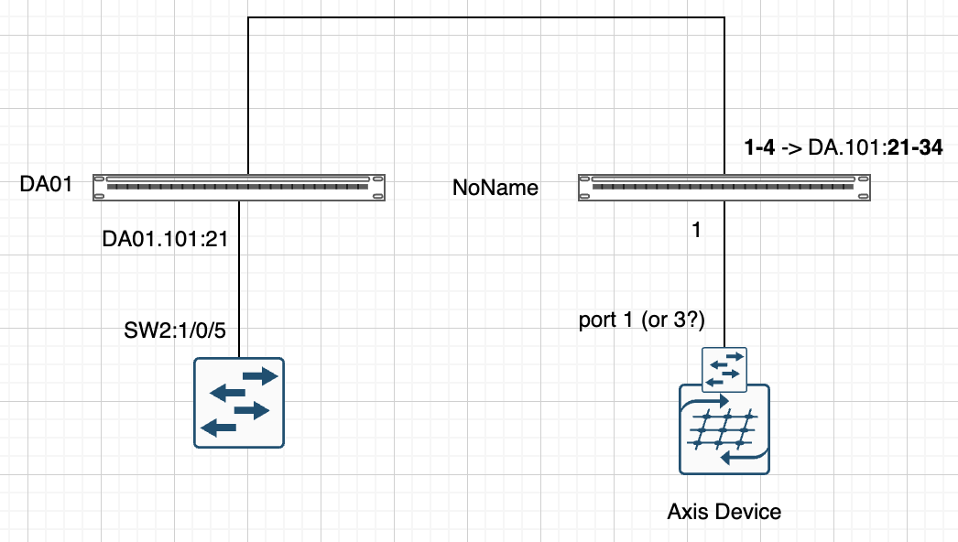
 |  |  |  |  |  |  |  |  |  |  |  |  | Gamla SW2: Gi1/0/5
 |  |  |  |  |  |  |  |  |  |  |  | Security | f0d7.6703.ac46 | Passage - Inre entré | 10.167.75.4 |  | 45 | 5
 |  |  |  |  |  |  |  |  |  |  |  | Security | f0d7.6703.ac47 | Passage - Yttre entré | 10.167.75.5 | 46 |  | 5
 |  |  |  |  |  |  |  |  |  |  |  | Security | f0d7.6703.ac48 | Passage - källare | 10.167.75.6 |  | 46 | 5
 |  |  |  |  |  |  |  |  |  |  |  | Security | f0d7.6703.ab77 | Passage - Serverrum | 10.167.75.7 | 47 |  | 5
 |  |  |  |  |  |  |  |  |  |  |  | Security | f0d7.6703.bd1f | Passage - glasdörr | 10.167.75.8 |  | 47 | 5
 |  |  |  |  |  |  |  |  |  |  |  | Security | f0d7.6703.bd14 | Passage - kontorsdörr | 10.167.75.9 | 48 |  | 5
 |  |  |  |  |  |  |  |  |  |  |  | Security | NVR | b8:a4:4f:c3:c0:85 | 10.167.75.3 | 48 |  | 5
 |  |  |  |  |  |  |  |  |  |  |  |  | Larmcentral | 00:17:55:E7:0A:4E

